Sheet1
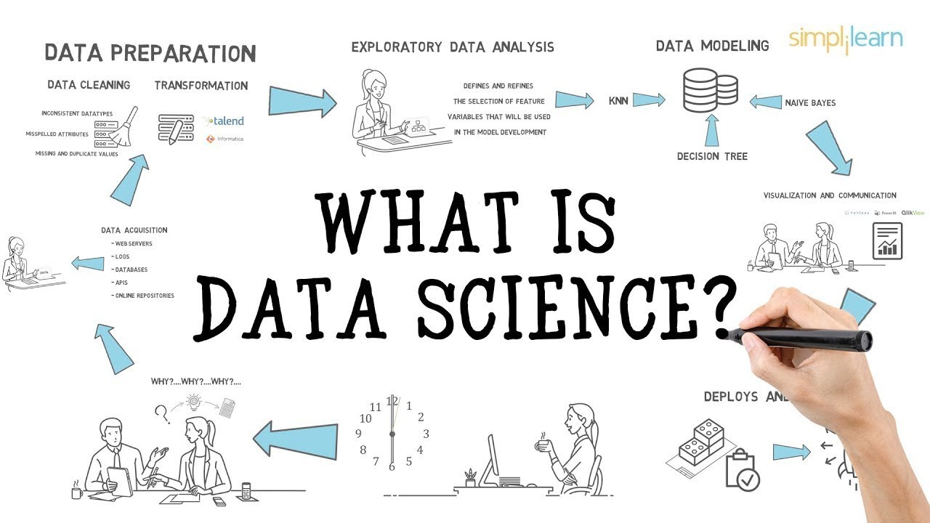

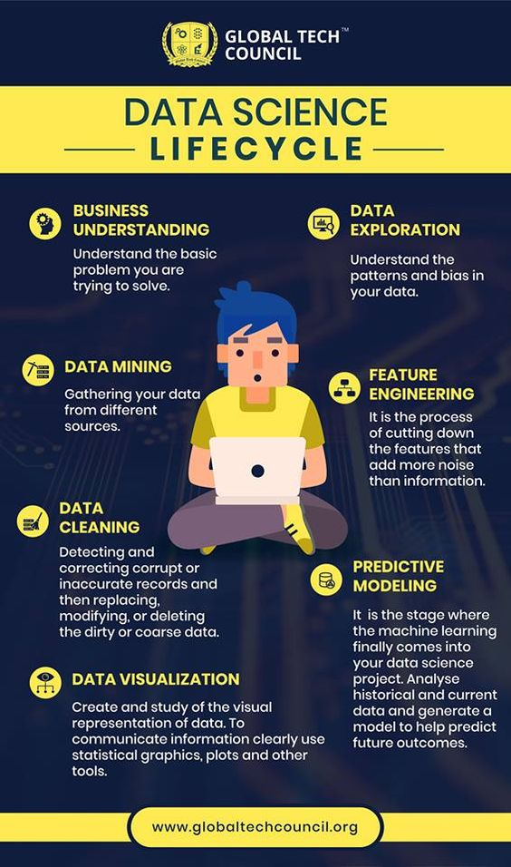
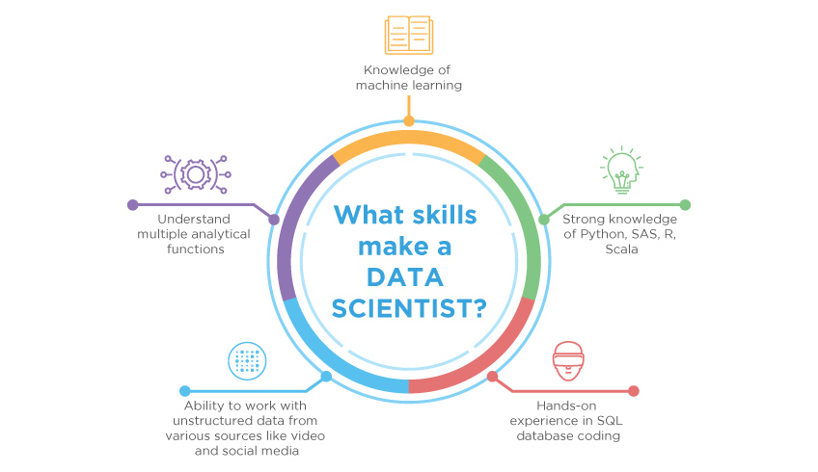

By Age Height Weight ratio |  | Men | Women
 | Age
 | Weight
 | Height

By Country |  | Men | Women
 | Gold
 | Silver
 | Bronze

Players Count vs Gold Medals

 | Identity Key metrics to answer data questions
 | Divide the datasets into Training and Test data
 | Create models using training dataset
 | Test dataset to include all historical values with definitive results
 | Test the model accuracy by passing test data into models

